Introduction
Price-list per 03-02-2020
Introduction

This pricelist is valid from 01-02-2020
In here you can find all prices and weights from our standard articles.

Ordering

Please note that every article is delivered without its accessories, unless mentioned otherwise.
These accessories need to be ordered separately.

Please advise when you are ordering triangular corners or circular trusses, what the correct apex should be.
Our standard is the apex up/down situation as shown below.
 | APEX OUT |  | APEX IN
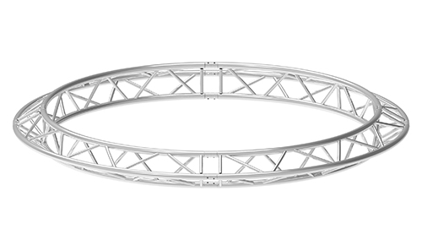
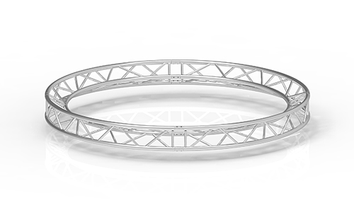

 |  | APEX UP/DOWN
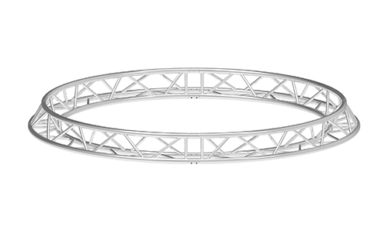

When ordering corners and circles from ladder truss please mention whether this should be upright or flat.
 | UP |  | FLAT
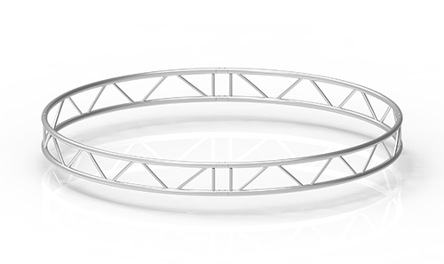
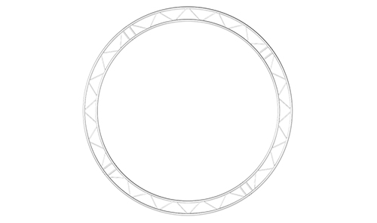

When ordering circles, please indicate the amount of parts making up for a whole circle. For circles we refer to an outer diameter.
All sizes and degrees which are not represented in the price list can be requested through our sales department.

In order to avoid wrong deliveries, be sure to use the complete and correct article code when ordering.
Please check the order confirmation on articles, amounts, prices, shipping date and way of transportation.

© 2020 Next Truss
Prices are in Euro's, excluding VAT, packaging and transport costs.
All prices and codes in this price list are subject to change without notice. We make every effort to provide you the most accurate, up-to-date price list

